Reference Image
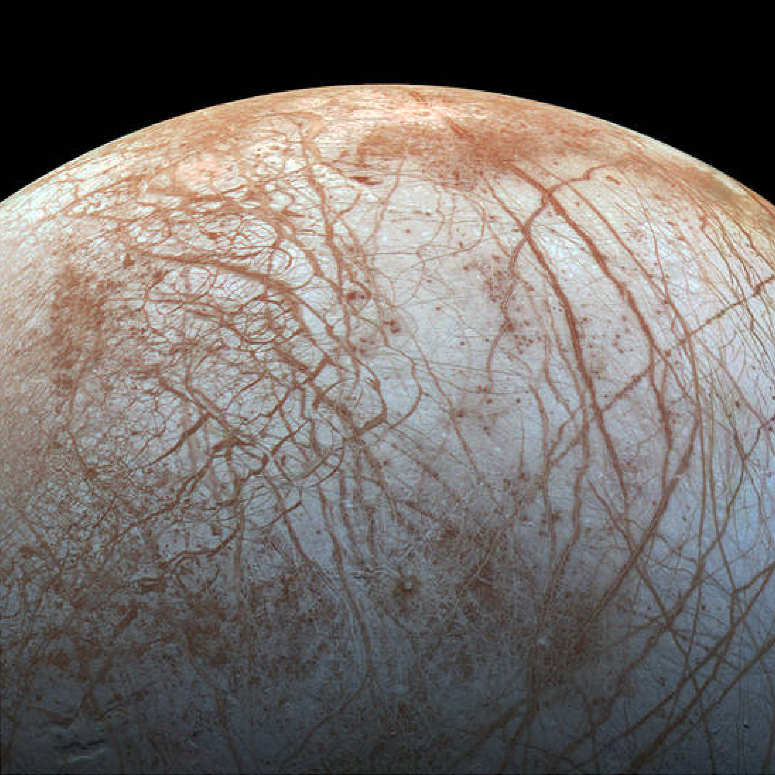
Full image and caption: https://solarsystem.nasa.gov/resources/204/europas-stunning-surface/?category=moons/jupiter-moons_europa

